Best Stadiums For Bowlers
Stadiums that yield the best performance to Bowlers

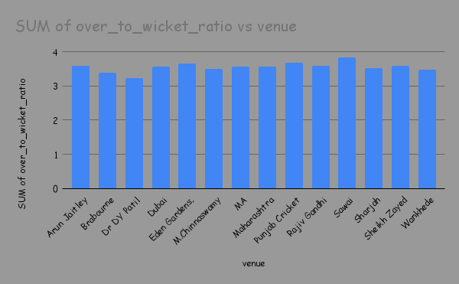

 | Venue | SUM of over_to_wicket_ratio
 | Arun Jaitley Stadium, Delhi | 3.60
 | Brabourne Stadium, Mumbai | 3.40
 | Dr DY Patil Sports Academy, Navi Mumbai | 3.24
 | Dubai International Cricket Stadium | 3.58
 | Eden Gardens, Kolkata | 3.65
 | M.Chinnaswamy Stadium, Bengaluru | 3.50
 | MA Chidambaram Stadium, Chepauk, Chennai | 3.58
 | Maharashtra Cricket Association Stadium, Pune | 3.57
 | Punjab Cricket Association IS Bindra Stadium, Mohali, Chandigarh | 3.67
 | Rajiv Gandhi International Stadium, Uppal, Hyderabad | 3.60
 | Sawai Mansingh Stadium, Jaipur | 3.84
 | Sharjah Cricket Stadium | 3.52
 | Sheikh Zayed Stadium, Abu Dhabi | 3.60
 | Wankhede Stadium, Mumbai | 3.48
 | Grand Total | 49.83

Top 10
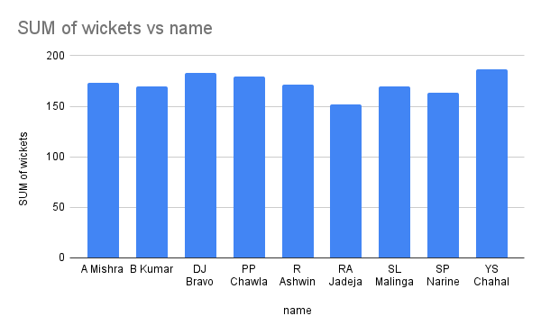
name | SUM of wickets
A Mishra | 173
B Kumar | 170
DJ Bravo | 183
PP Chawla | 179
R Ashwin | 171
RA Jadeja | 152
SL Malinga | 170
SP Narine | 163
YS Chahal | 187
Grand Total | 1548

Top Performers on Win Ratio
Top Performers Based on their Win Ratio

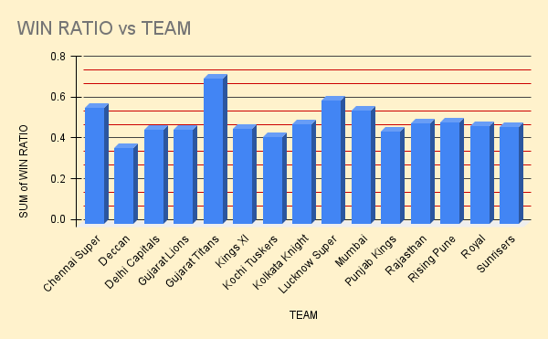
 | TEAM | WIN RATIO
 | Chennai Super Kings | 0.57
 | Deccan Chargers | 0.38
 | Delhi Capitals | 0.46
 | Gujarat Lions | 0.46
 | Gujarat Titans | 0.71
 | Kings XI Punjab | 0.47
 | Kochi Tuskers Kerala | 0.43
 | Kolkata Knight Riders | 0.49
 | Lucknow Super Giants | 0.61
 | Mumbai Indians | 0.56
 | Punjab Kings | 0.45
 | Rajasthan Royals | 0.50
 | Rising Pune Supergiant | 0.50
 | Royal Challengers Bangalore | 0.48
 | Sunrisers Hyderabad | 0.47

